Billing and Shipping
 |  | REQUEST :
 |  | CRISPR | To find predesigns, go to: http://crispr.sigmainformatics.com/CrisprSearch
Please | Complete Customer Information | CRISPRV | For custom CRISPRs, please fill out custom form and email to customorders@jhmi.edu
SHIP TO: DO NOT CHANGE |  | CRISPR Nickases | Email completed order form to customorders@jhmi.edu
Researcher Name | GRCF DNA Servicea
PI | Roxann Ashworth | Customer Information
Institution | Genetic Resources Core Facility | Researcher Name
Department | Johns Hopkins University School of Medicine | Building/Room #
Building/Room # | Blalock 1005 | PI
Street Address | 600 N. Wolfe St. | Budget #
City, State, Zip | Baltimore, MD 21287 | Phone
Phone | 410-614-0702 | Researcher E-mail
Fax | 410-614-9635 | PI contact E-mail
E-mail | customorders@jhmi.edu | Financial Coordinator Email
Comments

Submission Date (format: MM/DD/YY)

Michelle Laird, PhD | Genetic Resources Core Facility
Sr Research Sales Specialist | John Hopkins University
Phone: (301) 395-6719 | Phone: (410) 955-2836
michelle.laird@sial.com | http://grcf.jhmi.edu

Summary of CRISPR Options
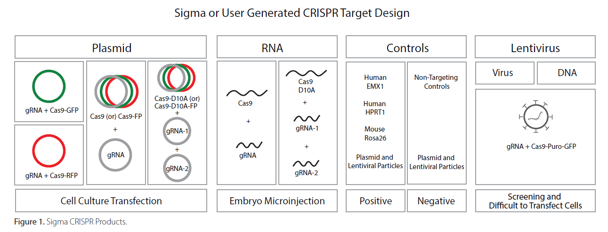

Format (vector) choices for CRISPR | Format (vector) choices for Paired Nickases | Format (vector) choices for CRISPRV
Plasmid (U6-gRNA/CMV-Cas9-GFP) | Plasmid (U6-gRNA) | Lentiviral Particles (U6-gRNA/EF1a-puro-2A-Cas9-2A-GFP)
Plasmid (U6-gRNA/CMV-Cas9-RFP) | RNA Format (purified guide RNA) | Plasmid (U6-gRNA/EF1a-puro-2A-Cas9-2A-GFP)
Plasmid (U6-gRNA)
RNA Format (purified guide RNA)

